GII per index indo
 |  | Indonesia | Indonesia | Indonesia | Indonesia | Indonesia | Indonesia | Indonesia
 |  | 2013 | 2014 | 2015 | 2016 | 2017 | 2018 | 2019
Indicator
Global Innovation Index |  | 85 | 87 | 97 | 88 | 87 | 85 | 85
Innovation Efficiency Ratio |  | 6 | 4 | 42 | 52 | 42 | 66
Innovation Input Sub-index |  | 115 | 117 | 114 | 99 | 99 | 90 | 87
Innovation Output Sub-index |  | 62 | 60 | 85 | 76 | 73 | 73 | 78

Index
1 | Institutions | 138 | 137 | 130 | 122 | 120 | 97 | 99
1.1. | Political environment | 103 | 96 | 86 | 74 | 89 | 72 | 68
1.1.1. | Political stability and absence of violence/terrorism | 112 | 101 | 97 | 86 | 94 | 83 | 74
1.1.2. | Government effectiveness | 84 | 87 | 84 | 69 | 83 | 70 | 68
1.2. | Regulatory environment | 112 | 114 | 138 | 126 | 126 | 125 | 128
1.2.1. | Regulatory quality | 139 | 140 | 85 | 78 | 82 | 78 | 75
1.2.2. | Rule of law | 96 | 93 | 94 | 82 | 86 | 85 | 82
1.2.3. | Cost of redundancy dismissal | 104 | 98 | 137 | 125 | 125 | 121 | 125
1.3. | Business environment | 138 | 139 | 114 | 105 | 79 | 51 | 49
1.3.1. | Ease of starting a business | 121 | 123 | 122 | 122 | 112 | 107 | 102
1.3.2. | Ease of resolving insolvency | 108 | 117 | 70 | 69 | 70 | 35 | 33
2 | Human capital and research | 129 | 123 | 122 | 101 | 77 | 94 | 90
2.1. | Education | 106 | 111 | 87 | 92 | 92 | 101 | 99
2.1.1. | Expenditure on education | 99 | 92 | 106 | 103 | 103 | 91 | 92
2.1.2. | Government funding per secondary student | 104 | 117 | 98 | 95 | 94 | 86 | 94
2.1.3. | School life expectancy | 99 | 114 | 95 | 100 | 97 | 77 | 78
2.1.4. | Assessment in reading, mathematics, and science | 95 | 105 | 81 | 76 | 75 | 63 | 63
2.1.5. | Pupil-teacher ratio, secondary | 77 | 78 | 59 | 59 | 63 | 61 | 69
2.2. | Tertiary education | 63 | 59 | 73 | 66 | 66 | 91 | 89
2.2.1. | Tertiary enrolment | 46 | 59 | 79 | 87 | 87 | 82 | 74
2.2.2. | Graduates in science and engineering | 99 | 86 | 74 | 75 | 77 | 54 | 68
2.2.3. | Tertiary level inbound mobility | 86 | 81 | 40 | 46 | 47 | 103 | 110
2.3. | Research and development (R&D) | 34 | 35 | 108 | 100 | 104 | 60 | 63
2.3.1. | Researchers | 102 | 105 | 64 | 62 | 63 | 86 | 86
2.3.2. | Gross expenditure on R&D (GERD) | 130 | 65 | 84 | 83 | 87 | 107 | 109
2.3.3. | Global R&D companies, average expenditure top 3 | 58 | 91 | 109 | 105 | 105 | 40 | 43
2.3.4. | QS university ranking average score top 3 universities | 82 | 105 | 41 | 45 | 43 | 37 | 36
3 | Infrastructure | 98 | 40 | 85 | 41 | 38 | 82 | 75
3.1. | Information and communication technologies (ICTs) | 35 | 83 | 100 | 80 | 81 | 99 | 88
3.1.1. | ICT access | 82 | 88 | 95 | 95 | 99 | 87 | 85
3.1.2. | ICT use | 85 | 90 | 93 | 84 | 88 | 94 | 77
3.1.3. | Government's online service | 96 | 90 | 90 | 95 | 96 | 102 | 92
3.1.4. | Online e-participation | 95 | 68 | 104 | 88 | 102 | 101 | 88
3.2. | General infrastructure | 67 | 65 | 39 | 99 | 101 | 41 | 35
3.2.1. | Electricity output | 64 | 42 | 97 | 38 | 35 | 95 | 94
3.2.2. | Logistics performance | 54 | 97 | 51 | 94 | 96 | 62 | 45
3.2.3. | Gross capital formation | 100 | 59 | 13 | 51 | 62 | 10 | 15
3.3. | Ecological sustainability | 102 | 15 | 81 | 7 | 8 | 77 | 76
3.3.1. | GDP per unit of energy use | 59 | 108 | 38 | 74 | 69 | 30 | 30
3.3.2. | Environmental performance | 11 | 86 | 96 | 38 | 36 | 104 | 105
3.3.3. | ISO 14001 environmental certificates | 87 | 97 | 75 | 90 | 91 | 81 | 75
4 | Market sophistication | 90 | 66 | 86 | 76 | 72 | 59 | 64
4.1. | Credit | 71 | 88 | 115 | 62 | 64 | 98 | 96
4.1.1. | Ease of getting credit | 67 | 102 | 65 | 101 | 99 | 49 | 40
4.1.2. | Domestic credit to private sector | 99 | 81 | 87 | 63 | 55 | 84 | 85
4.1.3. | Microfinance institutions' gross loan portfolio | 119 | 90 | 85 | 82 | 83 | 66 | 61
4.2. | Investment | 110 | 34 | 86 | 76 | 68 | 83 | 90
4.2.1. | Ease of protecting minority investors | 96 | 89 | 41 | 100 | 96 | 42 | 48
4.2.2. | Market capitalization | 34 | 42 | 42 | 77 | 67 | 35 | 32
4.2.3. | Venture capital deals | 70 | 42 | 38 | 34 | 38 | 69 | 60
4.3. | Trade, competition, & market scale | 42 | 40 | 65 | 35 | 80 | 8 | 7
4.3.1. | Applied tariff rate, weighted mean | 39 | 67 | 48 | 63 | 8 | 58 | 54
4.3.2. | Intensity of local competition | 32 | 51 | 52 | 10 | 58 | 36 | 37
4.3.3. | Domestic market scale | 72 | 54 | 51 | 54 | 50 | 7 | 7
5 | Business sophistication | 86 | 87 | 124 | 63 | 8 | 89 | 95
5.1. | Knowledge workers | 52 | 63 | 138 | 8 | 96 | 121 | 122
5.1.1. | Employment in knowledge-intensive services | 95 | 124 | 102 | 106 | 123 | 96 | 97
5.1.2. | Firms offering formal training | 93 | 142 | 108 | 125 | 96 | 90 | 90
5.1.3. | GERD performed by business enterprise | 112 | 99 | 79 | 96 | 90 | 76 | 78
5.1.4. | GERD financed by business enterprise | 141 | 105 | n/a | 93 | 76 | n/a | n/a
5.1.5. | Females employed with advanced degrees | 96 | 81 | 79 | 75 | n/a | 77 | 85
5.2. | Innovation linkages | 105 | n/a | 58 | n/a | 77 | 44 | 50
5.2.1. | University/industry research collaboration | 79 | 113 | 29 | 80 | 44 | 29 | 34
5.2.2. | State of cluster development | n/a | 53 | 24 | 47 | 27 | 25 | 27
5.2.3. | GERD financed by abroad | 69 | 29 | n/a | 29 | 28 | n/a | n/a
5.2.4. | Joint venture/strategic alliance deals | 118 | 27 | 84 | 27 | n/a | 95 | 92
5.2.5. | Patent families filed in at least two offices | 55 | n/a | 105 | n/a | 97 | 113 | 91
5.3. | Knowledge absorption | 38 | 71 | 86 | 64 | 117 | 50 | 48
5.3.1. | Intellectual property payments | 32 | 105 | 40 | 112 | 58 | 31 | 35
5.3.2. | High-tech imports | n/a | 76 | 52 | 59 | 36 | 54 | 49
5.3.3. | ICT services imports | 68 | 33 | 73 | 33 | 58 | 54 | 54
5.3.4. | Foreign direct investment, net inflows | 69 | 38 | 79 | 60 | 66 | 83 | 90
5.3.5. | Research talent in business enterprise | 69 | 78 | 100 | 73 | 70 | 37 | 37
6 | Knowledge and technology outputs | 24 | 83 | 127 | 59 | 39 | 86 | 82
6.1. | Knowledge creation | 52 | 93 | 86 | 37 | 70 | 115 | 101
6.1.1. | Patent applications by origin | 60 | 127 | 98 | 71 | 113 | 85 | 72
6.1.2. | PCT international applications by origin | 85 | 76 | 54 | 119 | 81 | 107 | 97
6.1.3. | Utility model applications by origin | 81 | 110 | 137 | 90 | 103 | 48 | 54
6.1.4. | Scientific and technical publications | 127 | 47 | 56 | 96 | 53 | 123 | 125
6.1.5. | Citable documents H index | 80 | 138 | 67 | 54 | 124 | 56 | 55
6.2. | Knowledge impact | 90 | 55 | 21 | 127 | 55 | 66 | 64
6.2.1. | Growth rate of GDP per person engaged | 47 | 63 | 92 | 56 | 33 | 41 | 37
6.2.2. | New business density | 138 | 19 | 44 | 28 | 9 | 91 | 91
6.2.3. | Total computer software spending | 55 | 80 | 79 | 1 | 91 | 31 | 33
6.2.4. | ISO 9001 quality certificates | 58 | 21 | 36 | 92 | 36 | 83 | 85
6.2.5. | High-tech and medium high-tech output | 11 | 68 | 102 | 32 | 80 | 35 | 37
6.3. | Knowledge diffusion | 90 | 32 | 80 | 80 | 43 | 97 | 96
6.3.1. | Intellectual property receipts | 43 | 108 | 43 | 38 | 81 | 78 | 76
6.3.2. | High-tech exports | 76 | 78 | 92 | 89 | 76 | 43 | 43
6.3.3. | ICT services exports | 33 | 39 | 52 | 71 | 43 | 97 | 101
6.3.4. | Foreign direct investment, net outflows | 87 | 98 | 78 | 41 | 95 | 76 | 112
7 | Creative outputs | 61 | 60 | 68 | 92 | 48 | 71 | 76
7.1. | Intangible assets | 49 | 43 | 87 | 44 | 77 | 69 | 68
7.1.1. | Trademark application class count by origin | 57 | 8 | n/a | 85 | 88 | 92 | 93
7.1.2. | Industrial designs by origin | 47 | n/a | 32 | 87 | 95 | 71 | 80
7.1.3. | ICTs and business model creation | 57 | n/a | 33 | 93 | 64 | 48 | 40
7.1.4. | ICTs and organizational model creation | 16 | 37 | 75 | 67 | 52 | 34 | 27
...

asean
 |  | Singapore | Malaysia | Thailand | Viet Nam | Brunei Darussalam | Philippines | Indonesia | Cambodia | Singapore | Malaysia | Thailand | Viet Nam | Brunei Darussalam
 |  | 2018 | 2018 | 2018 | 2018 | 2018 | 2018 | 2018 | 2018 | 2019 | 2019 | 2019 | 2019 | 2019
Indicator
Global Innovation Index |  | 5 | 35 | 44 | 45 | 67 | 73 | 85 | 98 | 8 | 35 | 43 | 42 | 71
Innovation Efficiency Ratio |  | 63 | 48 | 33 | 16 | 124 | 62 | 66 | 60
 | 2018 | 2019
Singapore | 5 | 8
Malaysia | 35 | 35
Thailand | 44 | 43
Viet Nam | 45 | 42
Brunei Darussalam | 67 | 71
Philippines | 73 | 54
Indonesia | 85 | 85
Cambodia | 98 | 98
Innovation Input Sub-index |  | 1 | 34 | 52 | 65 | 37 | 82 | 90 | 103 | 1 | 34 | 47 | 63 | 35
Innovation Output Sub-index |  | 15 | 39 | 45 | 41 | 112 | 68 | 73 | 84 | 15 | 39 | 43 | 37 | 120

Index
1 | Institutions | 1 | 43 | 65 | 78 | 30 | 93 | 97 | 111 | 1 | 40 | 57 | 81 | 27
1.1. | Political environment | 1 | 42 | 69 | 62 | 20 | 93 | 72 | 92 | 1 | 35 | 50 | 57 | 21
1.1.1. | Political stability and absence of violence/terrorism | 1 | 60 | 107 | 57 | 6 | 117 | 83 | 55 | 1 | 25 | 61 | 32 | 7
1.1.2. | Government effectiveness | 1 | 38 | 50 | 71 | 29 | 73 | 70 | 111 | 1 | 37 | 49 | 71 | 26
1.2. | Regulatory environment | 1 | 60 | 102 | 89 | 29 | 99 | 125 | 101 | 2 | 64 | 105 | 90 | 27
1.2.1. | Regulatory quality | 1 | 38 | 62 | 99 | 46 | 71 | 78 | 100 | 2 | 40 | 65 | 97 | 38
1.2.2. | Rule of law | 9 | 41 | 61 | 57 | 40 | 88 | 85 | 120 | 8 | 46 | 61 | 59 | 37
1.2.3. | Cost of redundancy dismissal | 1 | 95 | 116 | 97 | 1 | 107 | 121 | 74 | 1 | 100 | 120 | 101 | 1
1.3. | Business environment | 19 | 50 | 21 | 103 | 53 | 91 | 51 | 122 | 17 | 46 | 20 | 106 | 45
1.3.1. | Ease of starting a business | 6 | 86 | 32 | 95 | 49 | 121 | 107 | 126 | 3 | 94 | 36 | 80 | 14
1.3.2. | Ease of resolving insolvency | 25 | 43 | 24 | 107 | 56 | 55 | 35 | 67 | 25 | 38 | 22 | 110 | 59
2 | Human capital and research | 1 | 31 | 57 | 66 | 60 | 86 | 94 | 119 | 5 | 33 | 52 | 61 | 55
2.1. | Education | 42 | 75 | 92 | 18 | 60 | 105 | 101 | 122 | 57 | 70 | 81 | [18] | 58
2.1.1. | Expenditure on education | 103 | 61 | 75 | 29 | 68 | 109 | 91 | 115 | 104 | 56 | 74 | 24 | 63
2.1.2. | Government funding per secondary student | n/a | 47 | 59 | n/a | 30 | n/a | 86 | n/a | 73 | 35 | 62 | n/a | 30
2.1.3. | School life expectancy | n/a | 68 | 40 | n/a | 61 | 80 | 77 | 98 | 26 | 76 | 40 | n/a | 64
2.1.4. | Assessment in reading, mathematics, and science | 1 | 58 | 56 | 20 | n/a | n/a | 63 | n/a | 1 | 58 | 56 | 20 | n/a
2.1.5. | Pupil-teacher ratio, secondary | 69 | 54 | 100 | n/a | 14 | 95 | 61 | n/a | 47 | 51 | 97 | n/a | 13
2.2. | Tertiary education | 1 | 15 | 55 | 84 | 36 | 54 | 91 | 102 | 1 | 18 | 45 | 81 | 39
2.2.1. | Tertiary enrolment | n/a | 64 | 61 | 80 | 79 | 72 | 82 | 97 | 13 | 68 | 57 | 85 | 79
...

INOVASI indonesia
 |  |  |  |  |  |  |  |  |  | TOTAL |  |  |  | PERSENTASE
 |  | Product Innovation | Process Innovation | Marketing Innovation | Organizational Innovation | tidak ada inovasi produk | tidak ada inovasi proses | tidak ada inovasi pemasaran | tidak ada inovasi manajemen | Product Innovation | Process Innovation | Marketing Innovation | Organizational Innovation | Product Innovation | Process Innovation | Marketing Innovation | Organizational Innovation
Aceh | 11 | 885 | 714 | 1052 | 693 | 3359 | 3530 | 3192 | 3551 | 4244 | 4244 | 4244 | 4244 | 21% | 17% | 25% | 16%
 | Product Innovation | Process Innovation | Marketing Innovation | Organizational Innovation
Aceh | 0.20852968897 | 0.16823751178 | 0.2478793591 | 0.16328934967
North Sumatra | 0.31631826284 | 0.28236914601 | 0.36955112624 | 0.26421973748
West Sumatra | 0.26370510397 | 0.22826086957 | 0.31899810964 | 0.20982986767
Riau | 0.32316929597 | 0.28737932658 | 0.39851659995 | 0.29609135861
Jambi | 0.33333333333 | 0.30406789582 | 0.40532630963 | 0.31518876207
South Sumatra | 0.32796052632 | 0.29736842105 | 0.39621710526 | 0.29506578947
Bengkulu | 0.27948574623 | 0.2520961431 | 0.33705980995 | 0.23923979877
Lampung | 0.34545753785 | 0.30332455563 | 0.43531928901 | 0.28456221198
Bangka Belitung Islands | 0.28468113083 | 0.25115055884 | 0.38264299803 | 0.26824457594
Riau islands | 0.31660104987 | 0.29117454068 | 0.43389107612 | 0.27739501312
Jakarta Capital Special Region | 0.3223682966 | 0.26688735458 | 0.41882152653 | 0.27524827391
North Java | 0.41430281143 | 0.35143930964 | 0.4658072102 | 0.31765595146
Central Java | 0.3828438755 | 0.29348644578 | 0.42451054217 | 0.31055471888
Special Region of Yogyakarta | 0.47848509267 | 0.40934730056 | 0.55825946817 | 0.38807413376
East Java | 0.33527336464 | 0.28639805847 | 0.40342913642 | 0.25361227838
Banten | 0.44754203022 | 0.33342200468 | 0.46908916791 | 0.28569908491
Bali | 0.46005154639 | 0.37457044674 | 0.58762886598 | 0.36114690722
West Nusa Tenggara | 0.24659059282 | 0.20094628444 | 0.31672696911 | 0.21068744782
East Nusa Tenggara | 0.3321858864 | 0.30335628227 | 0.37220309811 | 0.30249569707
West Kalimantan | 0.34688346883 | 0.31955736224 | 0.42841011743 | 0.33739837398
Central Kalimantan | 0.30650154799 | 0.27554179567 | 0.35328517372 | 0.26212590299
South Kalimantan | 0.30883002208 | 0.27836644592 | 0.3825607064 | 0.27395143488
East Kalimantan | 0.27952589248 | 0.24523775928 | 0.36461126005 | 0.26499223931
North Kalimantan | 0.23487903226 | 0.21572580645 | 0.29334677419 | 0.20665322581
North Sulawesi | 0.46471939613 | 0.39547095504 | 0.54906465376 | 0.40597308828
Central Sulawesi | 0.299767622 | 0.27110766847 | 0.35166537568 | 0.25600309837
South Sulawesi | 0.36579818031 | 0.32671629446 | 0.43734491315 | 0.2873242349
Southeast Sulawesi | 0.24850299401 | 0.22112917023 | 0.32934131737 | 0.23353293413
Gorontalo | 0.33250311333 | 0.28891656289 | 0.41344956413 | 0.28144458281
West Sulawesi | 0.27938931298 | 0.25648854962 | 0.33435114504 | 0.23969465649
Maluku | 0.26294820717 | 0.23585657371 | 0.29960159363 | 0.21832669323
North Maluku | 0.21041214751 | 0.19305856833 | 0.26898047722 | 0.24403470716
West Papua | 0.21642857143 | 0.19857142857 | 0.27428571429 | 0.23428571429
Papua | 0.26234234234 | 0.22342342342 | 0.2836036036 | 0.24684684685
Product Innovation | 0.35395976732
Process Innovation | 0.29739569451
Marketing Innovation | 0.42119192838
Organizational Innovation | 0.28564574546
North Sumatra | 12 | 3904 | 3485 | 4561 | 3261 | 8438 | 8857 | 7781 | 9081 | 12342 | 12342 | 12342 | 12342 | 32% | 28% | 37% | 26%
West Sumatra | 13 | 1674 | 1449 | 2025 | 1332 | 4674 | 4899 | 4323 | 5016 | 6348 | 6348 | 6348 | 6348 | 26% | 23% | 32% | 21%
Riau | 14 | 2745 | 2441 | 3385 | 2515 | 5749 | 6053 | 5109 | 5979 | 8494 | 8494 | 8494 | 8494 | 32% | 29% | 40% | 30%
Jambi | 15 | 1139 | 1039 | 1385 | 1077 | 2278 | 2378 | 2032 | 2340 | 3417 | 3417 | 3417 | 3417 | 33% | 30% | 41% | 32%
South Sumatra | 16 | 1994 | 1808 | 2409 | 1794 | 4086 | 4272 | 3671 | 4286 | 6080 | 6080 | 6080 | 6080 | 33% | 30% | 40% | 30%
Bengkulu | 17 | 500 | 451 | 603 | 428 | 1289 | 1338 | 1186 | 1361 | 1789 | 1789 | 1789 | 1789 | 28% | 25% | 34% | 24%
Lampung | 18 | 2099 | 1843 | 2645 | 1729 | 3977 | 4233 | 3431 | 4347 | 6076 | 6076 | 6076 | 6076 | 35% | 30% | 44% | 28%
Bangka Belitung Islands | 19 | 433 | 382 | 582 | 408 | 1088 | 1139 | 939 | 1113 | 1521 | 1521 | 1521 | 1521 | 28% | 25% | 38% | 27%
Riau islands | 21 | 1930 | 1775 | 2645 | 1691 | 4166 | 4321 | 3451 | 4405 | 6096 | 6096 | 6096 | 6096 | 32% | 29% | 43% | 28%
Jakarta Capital Special Region | 31 | 17042 | 14109 | 22141 | 14551 | 35823 | 38756 | 30724 | 38314 | 52865 | 52865 | 52865 | 52865 | 32% | 27% | 42% | 28%
North Java | 32 | 19732 | 16738 | 22185 | 15129 | 27895 | 30889 | 25442 | 32498 | 47627 | 47627 | 47627 | 47627 | 41% | 35% | 47% | 32%
Central Java | 33 | 12202 | 9354 | 13530 | 9898 | 19670 | 22518 | 18342 | 21974 | 31872 | 31872 | 31872 | 31872 | 38% | 29% | 42% | 31%
Special Region of Yogyakarta | 34 | 2969 | 2540 | 3464 | 2408 | 3236 | 3665 | 2741 | 3797 | 6205 | 6205 | 6205 | 6205 | 48% | 41% | 56% | 39%
East Java | 35 | 14920 | 12745 | 17953 | 11286 | 29581 | 31756 | 26548 | 33215 | 44501 | 44501 | 44501 | 44501 | 34% | 29% | 40% | 25%
Banten | 36 | 8412 | 6267 | 8817 | 5370 | 10384 | 12529 | 9979 | 13426 | 18796 | 18796 | 18796 | 18796 | 45% | 33% | 47% | 29%
Bali | 51 | 4284 | 3488 | 5472 | 3363 | 5028 | 5824 | 3840 | 5949 | 9312 | 9312 | 9312 | 9312 | 46% | 37% | 59% | 36%
West Nusa Tenggara | 52 | 886 | 722 | 1138 | 757 | 2707 | 2871 | 2455 | 2836 | 3593 | 3593 | 3593 | 3593 | 25% | 20% | 32% | 21%
East Nusa Tenggara | 53 | 772 | 705 | 865 | 703 | 1552 | 1619 | 1459 | 1621 | 2324 | 2324 | 2324 | 2324 | 33% | 30% | 37% | 30%
West Kalimantan | 61 | 1536 | 1415 | 1897 | 1494 | 2892 | 3013 | 2531 | 2934 | 4428 | 4428 | 4428 | 4428 | 35% | 32% | 43% | 34%
Central Kalimantan | 62 | 891 | 801 | 1027 | 762 | 2016 | 2106 | 1880 | 2145 | 2907 | 2907 | 2907 | 2907 | 31% | 28% | 35% | 26%
South Kalimantan | 63 | 1399 | 1261 | 1733 | 1241 | 3131 | 3269 | 2797 | 3289 | 4530 | 4530 | 4530 | 4530 | 31% | 28% | 38% | 27%
East Kalimantan | 64 | 1981 | 1738 | 2584 | 1878 | 5106 | 5349 | 4503 | 5209 | 7087 | 7087 | 7087 | 7087 | 28% | 25% | 36% | 26%
North Kalimantan | 65 | 233 | 214 | 291 | 205 | 759 | 778 | 701 | 787 | 992 | 992 | 992 | 992 | 23% | 22% | 29% | 21%
North Sulawesi | 71 | 1416 | 1205 | 1673 | 1237 | 1631 | 1842 | 1374 | 1810 | 3047 | 3047 | 3047 | 3047 | 46% | 40% | 55% | 41%
Central Sulawesi | 72 | 774 | 700 | 908 | 661 | 1808 | 1882 | 1674 | 1921 | 2582 | 2582 | 2582 | 2582 | 30% | 27% | 35% | 26%
South Sulawesi | 73 | 3538 | 3160 | 4230 | 2779 | 6134 | 6512 | 5442 | 6893 | 9672 | 9672 | 9672 | 9672 | 37% | 33% | 44% | 29%
Southeast Sulawesi | 74 | 581 | 517 | 770 | 546 | 1757 | 1821 | 1568 | 1792 | 2338 | 2338 | 2338 | 2338 | 25% | 22% | 33% | 23%
Gorontalo | 75 | 267 | 232 | 332 | 226 | 536 | 571 | 471 | 577 | 803 | 803 | 803 | 803 | 33% | 29% | 41% | 28%
West Sulawesi | 76 | 183 | 168 | 219 | 157 | 472 | 487 | 436 | 498 | 655 | 655 | 655 | 655 | 28% | 26% | 33% | 24%
...

indicator of innovation
...
 | Using internet for operational | Having copyright/ patent rights/ intellectual property rights (IPR) | Having collaboration/partnerships with other institutions/enterprises | Undertaking business development & expansion | Conducting research and development (R&D) | Conducting workforce training
 | 0.72247291428 | 0.19408582762 | 0.38423305477 | 0.56019693002 | 0.11224697785 | 0.41605230562
 | Total | MIT |  | Total | PUS |  | Total | RND |  | Total | LAT |  | Total
memiliki hak cipta/hak paten/hak atas kekayaan intelektual |  | tidak ada menjalin kemitraan usaha | menjalin kemitraan usaha |  | tidak ada rencana pengembangan usaha | Ada rencana pengembangan usaha |  | tidak ada research and development | ada research and development |  | tidak ada pelatihan | ada pelatihan
19% | 100% | 62% | 38% | 100% | 44% | 56% | 100% | 89% | 11% | 100% | 58% | 42% | 100%
...

B
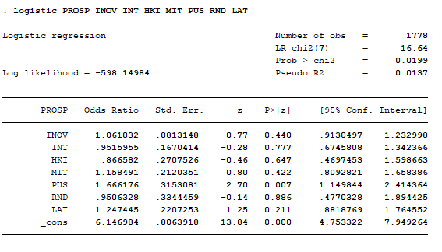
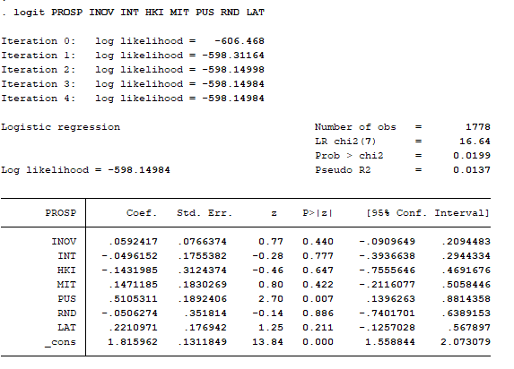
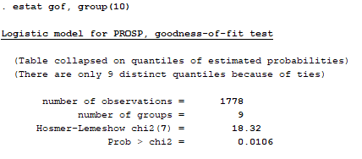

C
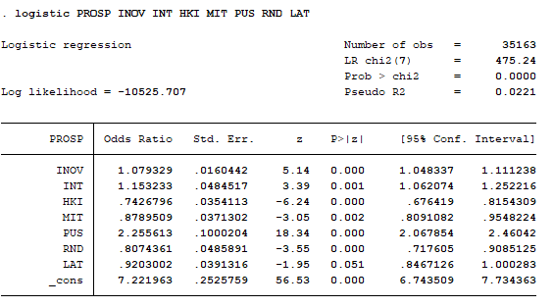
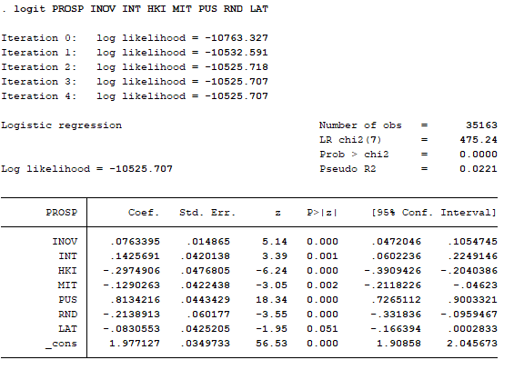
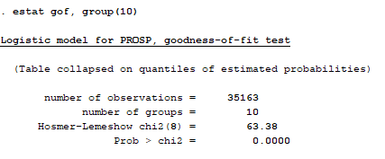

D
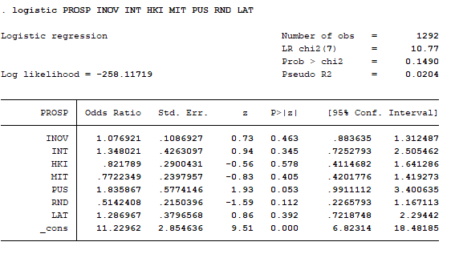
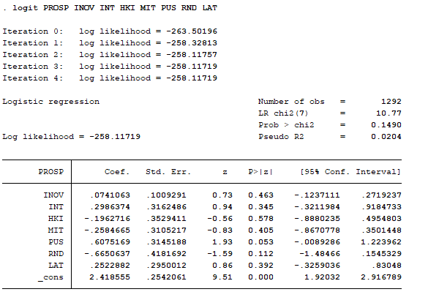
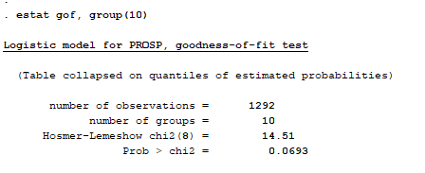

E
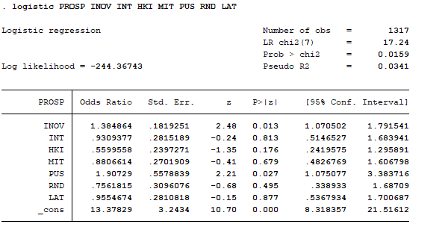
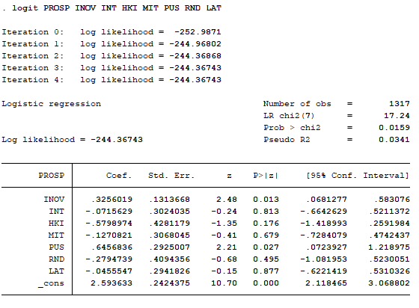
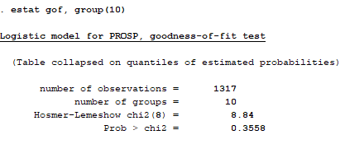

F
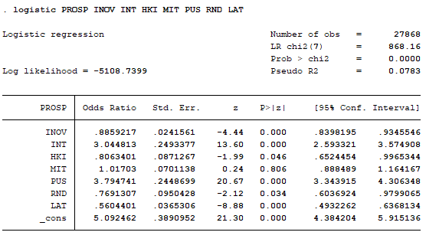
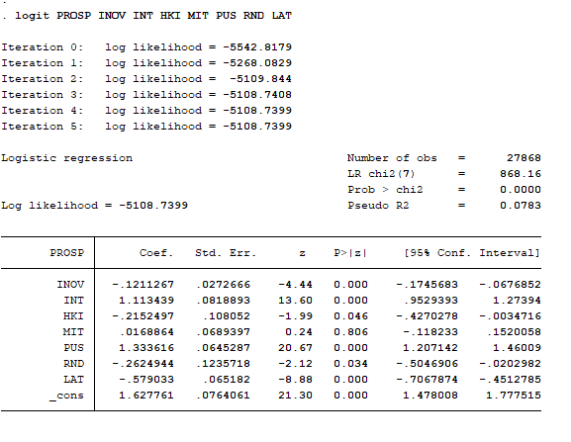
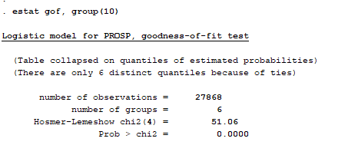

G
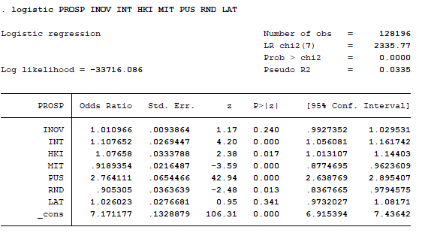
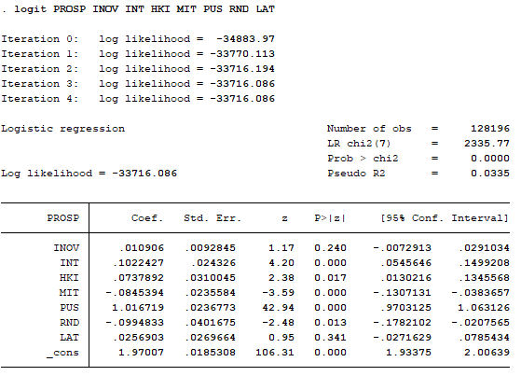
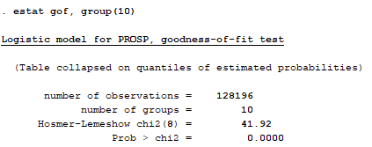

H
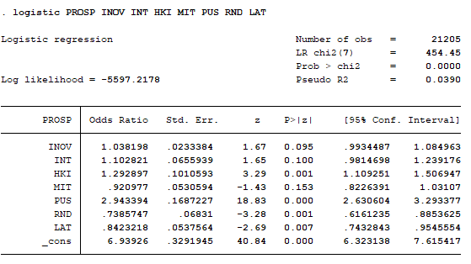
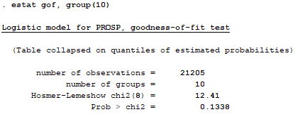
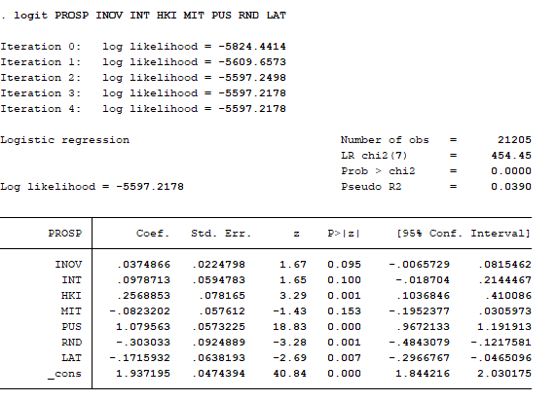

I
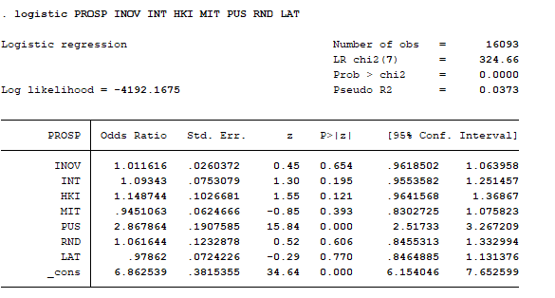
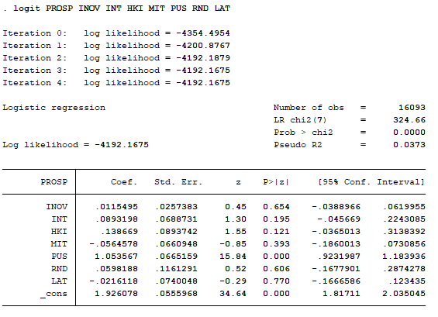
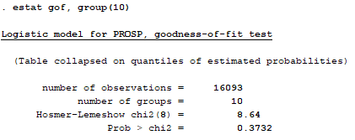

J
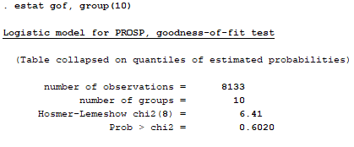
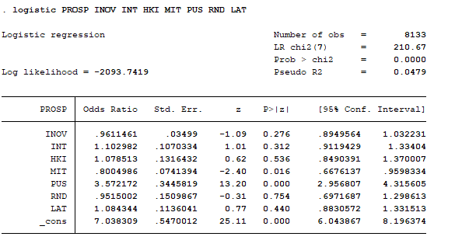
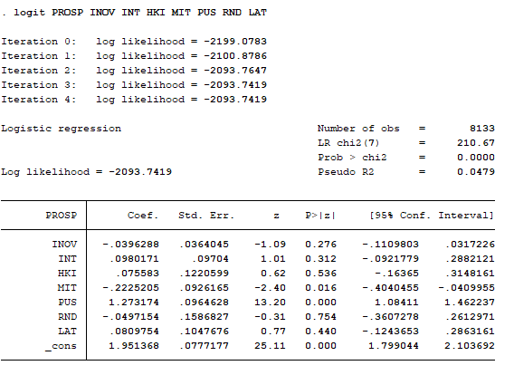

K
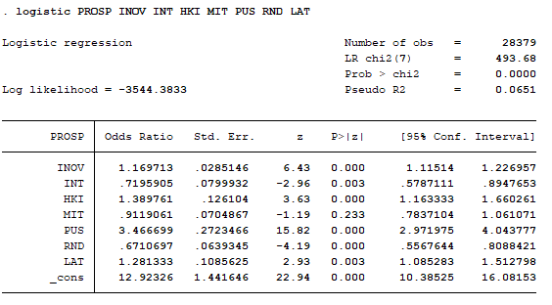
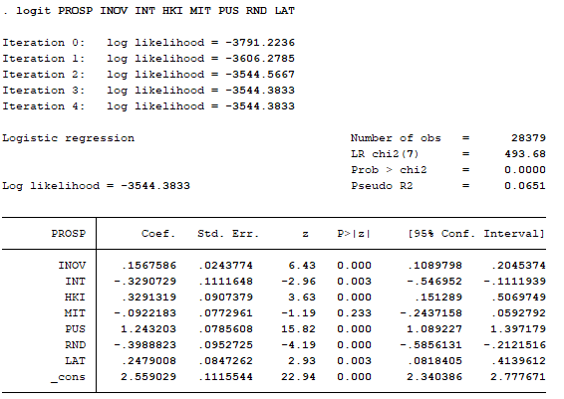

L
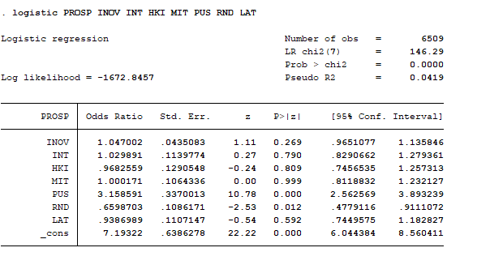
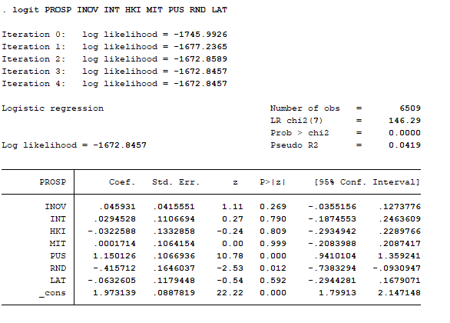
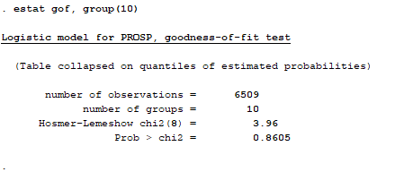

M
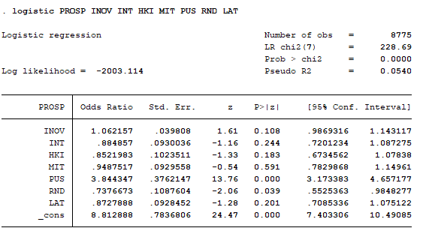
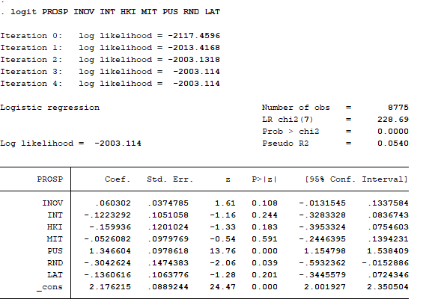
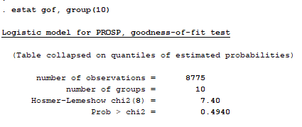

N
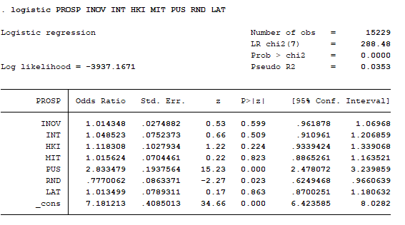
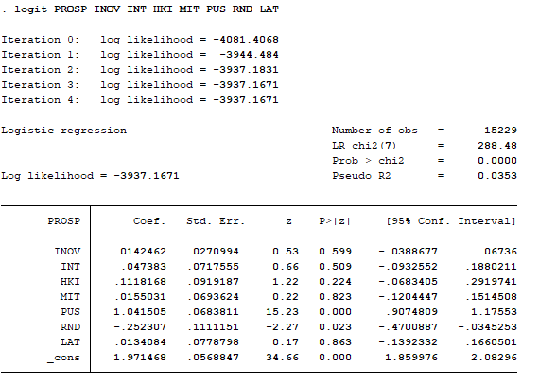
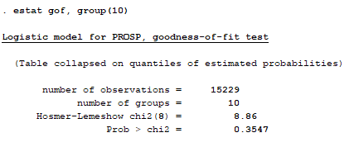

P
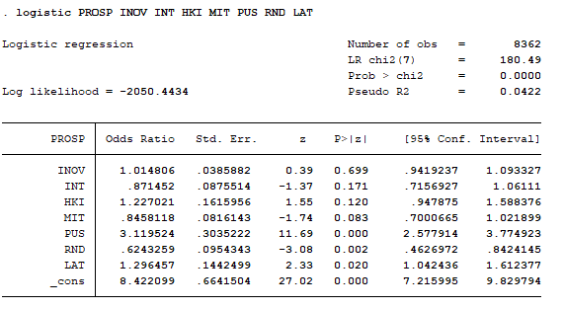
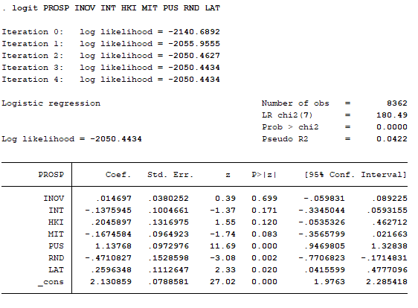
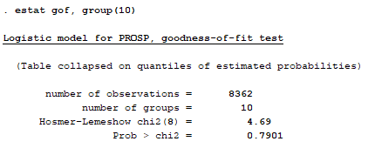

Q
